2. Bin Size Guide
Bin Size (L or m3) | Example | Collection vehicle | Approximate dimensions (m)
 |  |  | Height | Width | Depth
80L |  | Side-lift or rear-lift | 0.94 | 0.45 | 0.52
120L-140L | 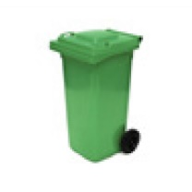 | Side-lift or rear-lift | 0.93 | 0.48 | 0.55
240L | 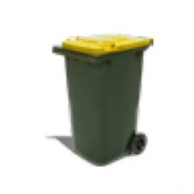 | Side-lift or rear-lift | 1.08 | 0.58 | 0.74
660L | 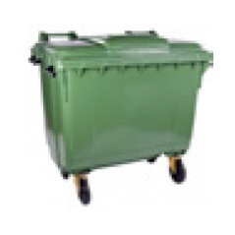 | Rear-lift | 1.22 | 1.34 | 0.5-0.8
1100L | 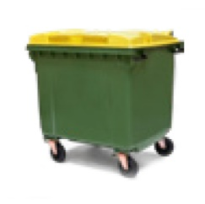 | Rear-lift | 1.48 | 1.36 | 1-1.2
1.5m3 | 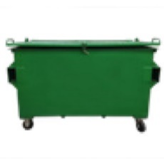 | Front-lift | 1.2-1.3 | 2-2.4 | 1-1.3
3m3 | 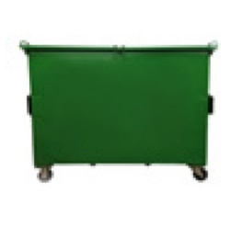 | Front-lift | 1.3-15 | 2-2.4 | 1.4-2.3
4.5m3 | 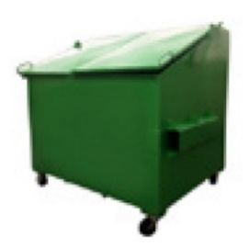 | Front-lift | 1.8 | 2 | 1.4-1.8
Trailer 6x4 | 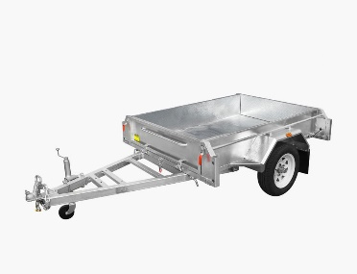 | Car/Ute | 1.8 | 1.7 | 1.2
Compactor 8.0 m3 | 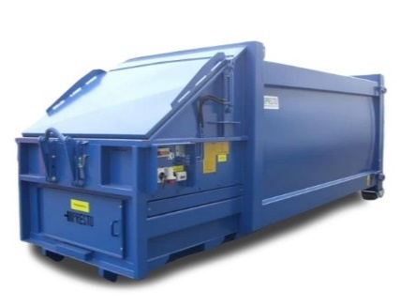 | Hook-lift | 0.98 | 5.1 | 2.4
Compactor 10 m3 |  | Hook-lift | 1.2 | 5.1 | 2.4
Compactor 20 m3 |  | Hook-lift | 1.5 | 6.7 | 2.4
Compactor 30 m3 |  | Hook-lift | 2.3 | 6.7 | 2.4

5. Waste Report
 | This report outlines how your organisation is performing based on the information provided in the 'Enter Bin Data' and 'Enter Cost Data' tabs. It provides an overview of waste generation, diversion, and the associated costs. It also outlines the current methods and opportunities for managing waste.
 | Waste Generation
 | Reducing waste generation provides financial savings. Businesses incur costs for managing their waste including staff/cleaner time and service fees for waste collection, recycling and disposal. A larger but less visible cost is that for purchased products that are wasted due to overbuying or inefficient operations, such as food waste across kitchens.
 |  | Estimated waste generation tonnes per year
 | Total Waste
 | Waste per FTE

 | No data entered

 | Diversion of waste from landfill
Your business can improve its environmental performance by diverting waste from landfill. This reduces landfill levy payments, which are built into waste collection service fees.
 |  | Waste destination % by weight of waste generated
 | Waste diverted from landfill | 0%
 | Waste sent to landfill
 | Your business can demonstrate its commitment to corporate, social and environmental responsibility objectives by improving your waste and recycling management practices. You can improve your environmental performance by reducing greenhouse gas emissions from landfill disposal through recycling. Diversion is expected to be lower in Regional SA where some recycling services may be less available.
Waste Destination
 | Waste diverted from landfill | Waste sent to landfill
Waste destination % by weight of waste generated | 0% | 0%
 | No data entered

 | Methods for Managing Waste
 | Waste can be collected for reuse, recycling, recovery or landfill. The waste management hierarchy is an order of preference for the management of waste. As per the waste management hierarchy below, the most preferred option is to avoid or minimise waste generation and the least favourable option is to dispose of waste in landfill. The performance of your organisation across each of these methods is summarised in the following sections.
 | The Waste Management Hierarchy
 | 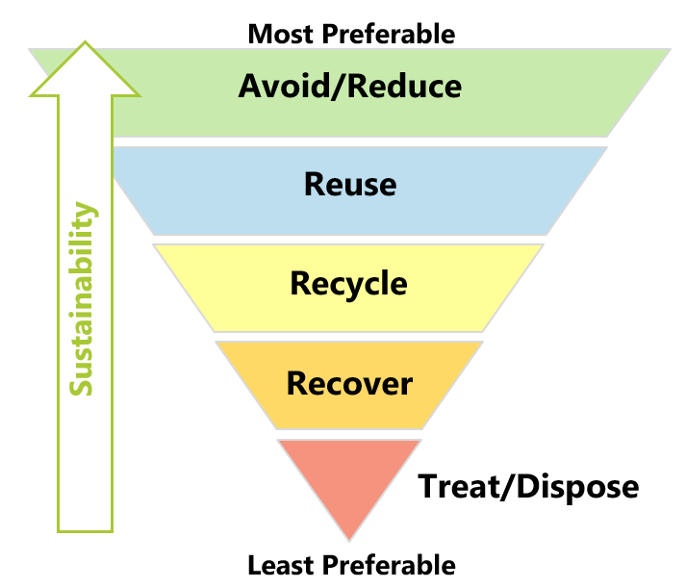

 | Method | Tonnes Per Year | %
 | Reuse | 0.0
 | Recycle | 0.0
 | Recover for energy | 0.0
 | Treat/Dispose | 0.0
 | Total* | 0.0 | 0%
 | *Totals may not equate due to rounding
Most preferable
 | Total | -

Least preferable

 | Reuse
 | Reuse means designing products for adaptability and durability to ensure they aren’t disposed of until no other options are viable. This may mean donating working items that are no longer needed (e.g. furniture) or reusing leftover food scraps (e.g. to make stock). It can be hard to measure reuse volumes.
 | No data entered
 | There may be further opportunities to reuse waste and avoid associated waste management costs. See section below.

 | Recycling
 | Recycle means collecting, sorting and processing materials so that they can be used again in the creation of new products. Recycling has a positive environmental impact and for some streams is more cost-effective than landfill.
 | No data entered
 | The table below provides a summary of reuse and recycling services that are available for businesses. Consideration should be given to introducing these services where available.
 | Consideration | Reuse / Recycling Service | Service in place at your organisation?
 | E-waste, printer cartridges, fluorescent lighting and batteries are banned from landfill in South Australia under the SA Waste to Resources Environment Protection Policy. Businesses must have systems in place to divert these items from landfill. | E-waste recycling | No
 |  | Printer cartridge recycling | No
 |  | Fluorescent tube recycling | No
 |  | Batteries | No
 | The types of recycling services most practical for your site depends on the type of business you run. For example, restaurants typically have recycling services for food waste, cardboard, plastic containers, bottles and cans, cooking oil, grease trap, etc. Whereas offices typically have recycling services for white paper, e-waste and comingled recyclables. Depending on waste volumes and the location of your site, it is likely to be more cost effective to recycle than send them to landfill. This can be explored via seeking a quote from waste contractors. Where recycling services are not available, it may be possible to manage some of these streams on-site (e.g. composting systems for food waste or reducing white paper use by switching to an effective electronic network and storage system). | Food waste | No
 |  | Garden waste recycling | No
 |  | Compostable packaging | No
 |  | Cardboard recycling | No
 |  | White paper recycling | No
 |  | Confidential paper recycling | No
 |  | Plastic recycling (including milk bottles & other plastic containers) | No
 |  | Soft plastic recycling | No
 |  | Comingled recycling (including glass, plastic, metals) | No
 |  | Glass containers recycling | No
 |  | Bottles and cans (10c deposit) recycling | No
 |  | Cooking oil recycling | No
 |  | Grease trap | No
 | Recycling services for irregular waste streams, such as scrap metal and hard waste may be contracted and scheduled to appropriately deal with these streams and save money in some instances. | Scrap metal recycling | No
 |  | Soil collection | No
 |  | Timber recycling | No
 |  | Crates & Pallets (in a bin) | No
 |  | Hard waste collection | No
 | Your custom recycling services from the 'Enter Bin Data' tab (if applicable)

 | Recover for Energy
 | Recovery is for waste that cannot be recycled and is converted into energy (e.g. through burning) to extract heat and electricity. This helps maximise use waste material first as a resource.
 | No data entered
 | Businesses in Metropolitan Adelaide may divert non-recyclable dry materials from landfill by sending for energy recovery via a dry general waste service. Care must be taken to ensure this waste does not contain any wet materials (such as food waste).

 | Treat/Dispose
 | Some waste materials may be hazardous (e.g. medical waste) and need to be treated to minimise harm. Disposal (e.g. landfill) should only be used when other options are not viable.
 | No data entered
 | A levy is paid for every tonne sent to landfill in SA. Landfill volumes and associated levy payments may be minimised by reducing, recycling or recovering waste (see above).

 | Annual Costs for Waste and Resource Management
 | The main way your business can lower its waste associated costs is to reduce waste generation. You can also lower your landfill levy payments, which are built into waste collection service fees, by increasing landfill diversion. This also reduces your exposure to potential future cost increases in the SA solid waste levy.

 | Waste Costs | $ per year
 | Total costs | $-
 | Total rebates | $-
 | Net costs including rebates | $-

 | No data entered

Breakdown of Waste Costs (per tonne)
 | Waste Costs
Reuse | $-
Recycle | $-
Recover for energy | $-
Treat/Dispose | $-

