3 Waste Report
3. Waste and recycling summary report
This summary outlines your organisation's performance based on the information entered. It summarises waste generation, diversion and costs to manage this material.

Waste management hierarchy and the circular economy
Improving waste and recycling management practices benefits our environment, economy, and community by: • Reducing the amount of material going to landfill and associated greenhouse gas emissions. • Limiting the use of virgin materials by capturing discarded materials for reuse and recycling. • Minimising the costs of managing waste. • Helping to grow the local circular economy, creating jobs and investment in SA.
Sustainable waste and recycling management is based on the waste management hierachy and the circular economy. The Waste Management Hierarchy is recognised internationally as a framework for sustainability (Figure 1). It seeks to avoid and reduce material use where possible, to reuse and recycle materials that are already in circulation and responsibly recover, treat and dispose of that which cannot be reused or recycled. A circular economy is an economy that is prosperous and regenerative by design (Figure 2). It is where we use less natural and raw materials, keep products in use longer and design out waste and pollution. This can grow South Australia’s economic prosperity, improve, and sustain our environment and increase our wellbeing.
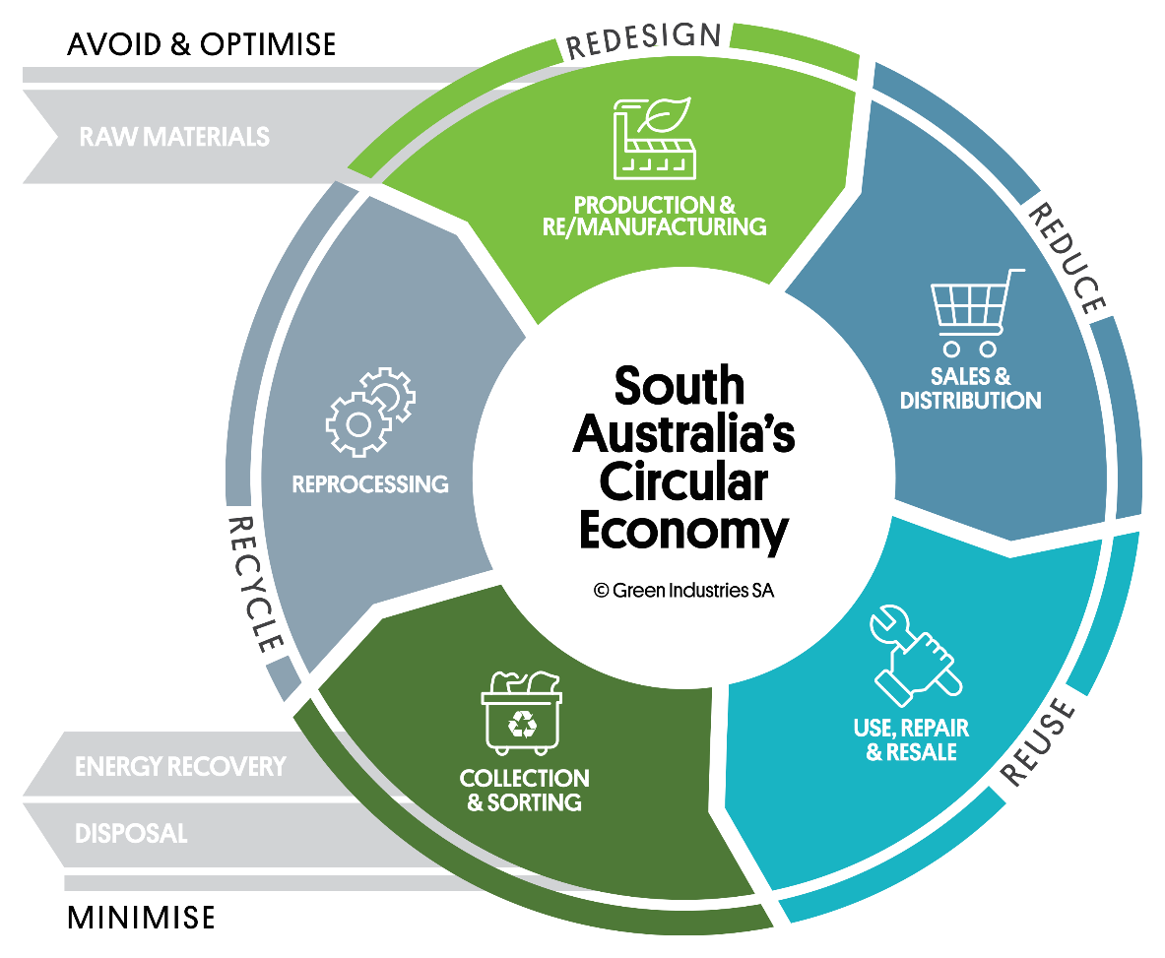
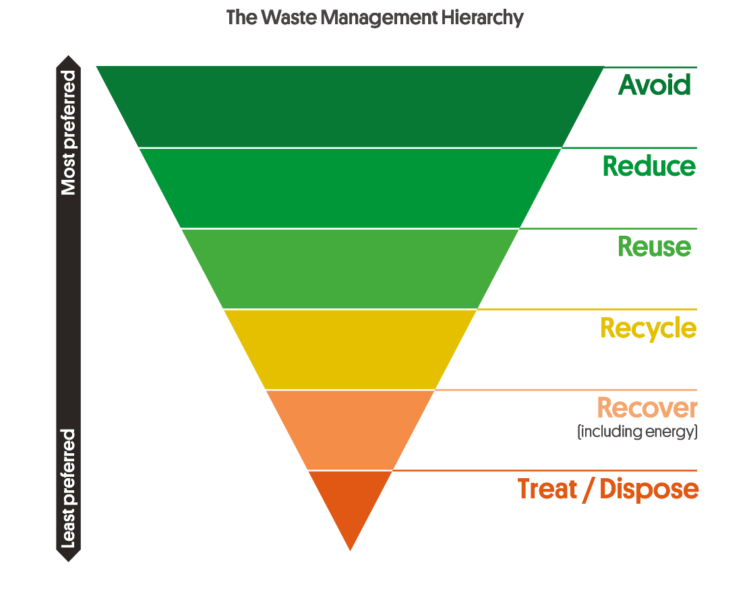

Figure 1: The Waste Management Hierarchy | Figure 2: The Circular Economy

Waste generation and destination
Your organisation's waste and recycling performance is summarised below based on the waste management hierarchy: • Reuse means designing products for adaptability and durability to ensure they aren’t disposed of until no other options are viable. It also includes donating items that are no longer needed like furniture or quality electronic items. • Recycle means collecting, sorting and processing materials so that they can be used again in the creation of new products. Recycling has a positive environmental impact and for some streams is more cost-effective than landfill. • Recovery is for waste that cannot be recycled and is converted into energy to extract heat and electricity. This is a higher value activity than landfill. • Treat/Disposal - Some waste materials may be hazardous (e.g. medical waste) and need to be treated to minimise harm. Disposal to landfill should only be used when other options are not viable. Materials going to landfill lose their value - other options retain material value in our economy and communities. Moving materials up the waste management hierarchy helps to improve performance and reduce your impact on the environment. Environmental and financial performance can be increased by diverting waste from landfill.
 | Organisation's waste and recycling generation (tonnes) | Generation per FTE (tonnes) | Proportion of total waste (% weight)
Reuse | 0.00
Recycle | 0.00
Recover for energy | 0.00
Treat/Dispose | 0.00
Total for your organisation | 0.00 | 0.00 | 0.0%
 | tonnes per year | tonnes per FTE | landfill diversion
Detailed service summary
Note: Blank cells indicate no data was reported for these streams
E-waste - Reuse | 0.00
Hard waste - Reuse | 0.00
10c bottles and cans | 0.00
Batteries | 0.00
Cardboard | 0.00
Comingled recycling (incl. glass, plastic, metals) | 0.00
Confidential paper recycling | 0.00
E-waste - Recycling | 0.00
Fluorescent lights | 0.00
Organics - Food and other compostables | 0.00
Paper and cardboard combined | 0.00
Paper | 0.00
Printer cartridges | 0.00
Soft plastics - Recycle | 0.00
Comingled materials for energy recovery (incl. glass, plastic, metals) | 0.00
Dry waste/dry materials for energy recovery | 0.00
Hard waste - Recover for energy | 0.00
Soft plastics - Recovery for energy | 0.00
General waste to landfill | 0.00
Hard waste - Disposal | 0.00
Enter custom waste/recycling stream | 0.00
Enter custom waste/recycling stream | 0.00
Enter custom waste/recycling stream | 0.00
Enter custom waste/recycling stream | 0.00
Enter custom waste/recycling stream | 0.00

Waste generation and destination
Reuse | 0.00
Recycle | 0.00
Recover for energy | 0.00
Treat/Dispose | 0.00

Environmental benefits
Your organisation can demonstrate its commitment to corporate, social and environmental responsibility objectives by improving your waste and recycling management practices. You can improve your environmental performance by reducing greenhouse gas emissions from landfill disposal through avoiding waste, reuse or recycling. The environmental benefits from the recycling streams included in this report are estimated below.:

Recycling stream | Avoided tonnes of CO2-e
10c bottles and cans | 0.00
Batteries | Not Estimated
Cardboard | 0.00
Comingled recycling (incl. glass, plastic, metals) | 0.00
Confidential paper recycling | 0.00
E-waste - Recycling | Not Estimated | This is equivalent to:
Fluorescent lights | Not Estimated
Organics - Food and other compostables | 0.00
Paper and cardboard combined | 0.00
Paper | 0.00 |  | Planting 0 tree(s)
Printer cartridges | Not Estimated
Soft plastics | 0.00 |  | or
Total | 0.00
 | tonnes of CO2-e |  | Taking 0 car(s) of the road

Please note: As your organisation reduces the amount of waste generated and/or increases reuse of items, the environmental performance may appear to go down over time because less is recycled through your collection services. Reducing waste generation or increasing reuse has much greater environmental benefit than recycling, but current data does not allow the tool to estimate its impact.
The environmental factors to convert recycling into greenhouse gas equivalent tonnes avoided are taken from the SA Recycling Activity Survey and additional analysis by Rawtec.

Waste and recycling system standards
There are recommended minimum and better practice waste and recycling services for offices (see Waste and Recycling: Office Basics 2021 on the GISA website). The table below indicates if you meet these service levels. Factors like location (metro or regional) will impact what services are available.
 | Minimum standards | Better practice
 | Service in place? | Service in place?
General waste to landfill and/or energy recovery | No | No
Comingled recycling or 10c bottles and cans | No | No
Organics recycling | No | No
Paper and/or cardboard recycling | No | No
Printer/toner cartridge recycling | No | No
Soft plastics recycling or energy recovery | - | No
Hard waste to recycling or energy recovery | - | No
 | Additional recycling streams are needed to meet the minimum standards | Additional recycling streams are needed to meet better practice standards

There are additional recycling streams considered minimum standards and better practice. The following streams are sometimes provided by the Building Manager or contractors that remove items when they perform maintenance. We recommend you check to see if these materials are managed responsibly and recycled.
 | Does your organisation have these services?
 | Select from list
Battery recycling
E-waste reuse/recycling
Fluorescent light recycling

Waste management costs
Reducing waste generation provides financial savings. Costs for managing waste include staff/cleaner time and service fees for waste collection, recycling and disposal. A large but less visible cost is purchasing products that are wasted due to overbuying or inefficient operations. The main way your business can lower waste costs is to reduce waste generation. You can also lower your landfill levy payments, which are built into waste collection service fees, by increasing landfill diversion. This also reduces exposure to potential future cost increases in the SA solid waste levy.

Waste Management Practice | Whole building ($ Year) | Organisation's Proportion ($ year)
Total costs | $0 | $0
Reuse | $0 | $0
Recycle | $0 | $0
Recover for energy | $0 | $0
Treat/Dispose | $0 | $0
Total rebates | $0 | $0
Reuse | $0 | $0
Recycle | $0 | $0
Recover for energy | $0 | $0
Treat/Dispose | $0 | $0
Net costs including rebates | $0 | $0
Reuse | $0 | $0
Recycle | $0 | $0
Recover for energy | $0 | $0
Treat/Dispose | $0 | $0

Net waste management costs for the Organisation

4 Bin Size Guide
Bin Size (L or m3) | Example | Collection vehicle | Approximate dimensions (m)
 |  |  | Height | Width | Depth
80L |  | Side-lift or rear-lift | 0.94 | 0.45 | 0.52
120L-140L | 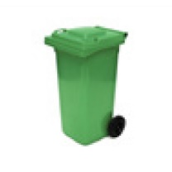 | Side-lift or rear-lift | 0.93 | 0.48 | 0.55
240L | 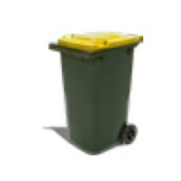 | Side-lift or rear-lift | 1.08 | 0.58 | 0.74
660L | 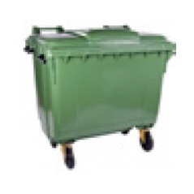 | Rear-lift | 1.22 | 1.34 | 0.5-0.8
1100L | 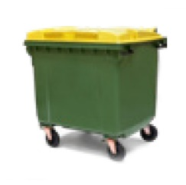 | Rear-lift | 1.48 | 1.36 | 1-1.2
1.5m3 | 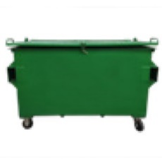 | Front-lift | 1.2-1.3 | 2-2.4 | 1-1.3
3m3 | 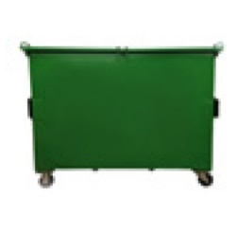 | Front-lift | 1.3-15 | 2-2.4 | 1.4-2.3
4.5m3 | 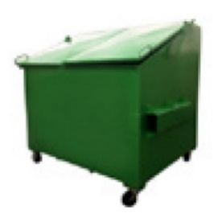 | Front-lift | 1.8 | 2 | 1.4-1.8
Trailer 6x4 | 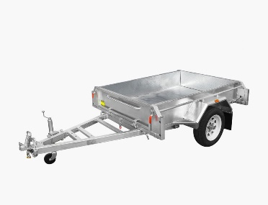 | Car/Ute | 1.8 | 1.7 | 1.2
Compactor 8.0 m3 | 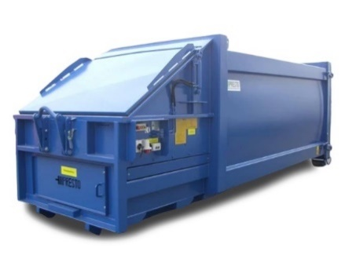 | Hook-lift | 0.98 | 5.1 | 2.4
Compactor 10 m3 |  | Hook-lift | 1.2 | 5.1 | 2.4
Compactor 20 m3 |  | Hook-lift | 1.5 | 6.7 | 2.4
Compactor 30 m3 |  | Hook-lift | 2.3 | 6.7 | 2.4

