Tonnage Calculator
Charitable Recyclers Subsidy Program
TONNAGE CALCULATOR
 |  |  |  | Bin size examples
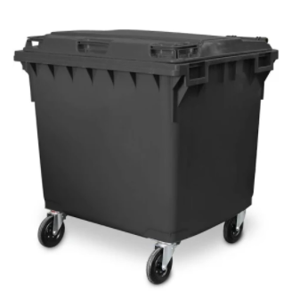
Please enter information into yellow cells and tonnage will be calculated automatically. |  |  |  | 240 L | 660 L | 1100 L
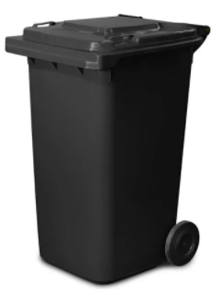
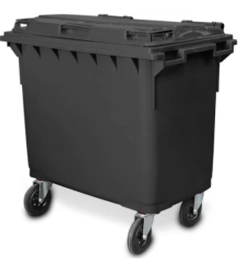
A conversion factor of 0.125 is used in this calculator.

Bin size | Unit | Number of lifts | Tonnes
240 | L |  | 0
660 | L |  | 0
1100 | L |  | 0
1 | m3 |  | 0
1.5 | m3 |  | 0
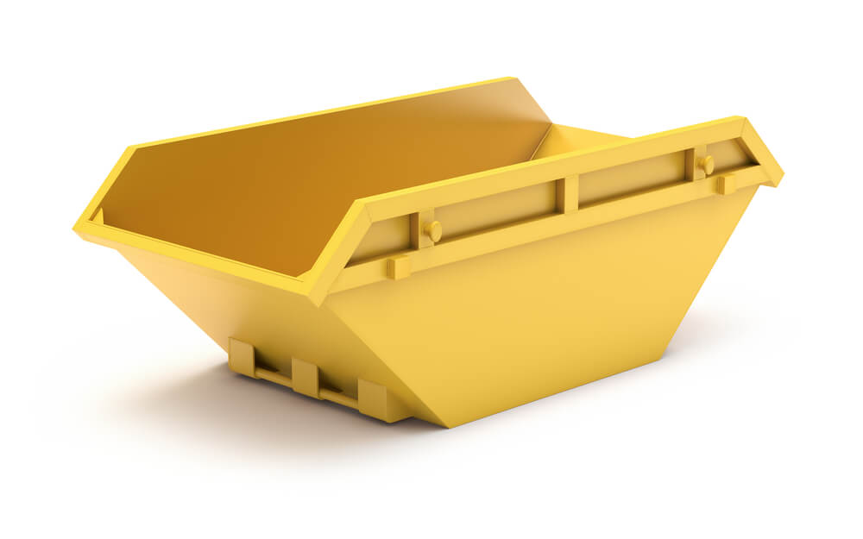
2.5 | m3 |  | 0
3 | m3 |  | 0
4.5 | m3 |  | 0 | Skip bin - various sizes (m3)
9 | m3 |  | 0
23 | m3 |  | 0
Others (please specify below)
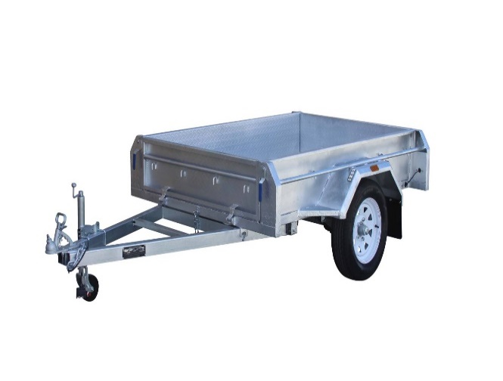
 | m3 |  | 0
 | m3 |  | 0 | Trailer examples
 | m3 |  | 0
 |  |  |  | 6 x 4 trailer without cage
 |  |  |  | Equivalent bin size = 1 m3

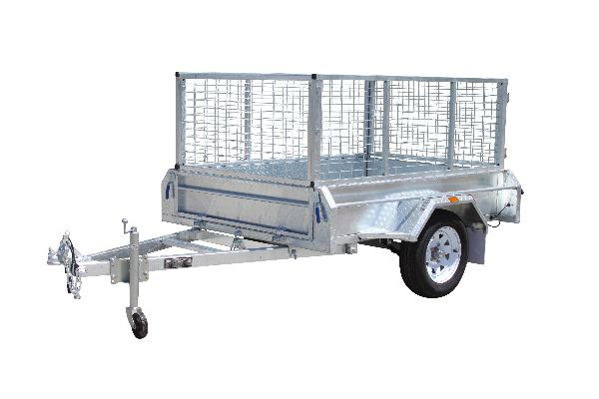

 |  |  |  | 6 x 4 trailer with cage
 |  |  |  | Equivalent bin size = 2.5 m3

